Prelims

Miesfeld's Lakeshore Weekend - Dragon Boats Prelims |  |  |  |  |  |  | Timer's Score Sheet
 |  | Team Name | 1st Heat | 2nd Heat | Cumulative | Rank *
Race # | Team # |  |  |  | Time |  | Race / Heat | Pairing | Timing Team # | Team | First Team in Pairing |  |  | Race / Heat | Pairing | Timing Team # | Team | Second Team in Pairing
 |  |  |  |  |  |  |  |  |  | Name | Timer 1 | Timer 2 | Avg |  |  |  | Name | Timer 3 | Timer 4 | Avg
1 | 1 | Miesfeld's | n/a | n/a | n/a | n/a | 1 / 1 | 1 vs. 2 | 1 | Miesfeld's |  |  | n/a | 1 / 1 | 1 vs. 2 | 2 | Blondies & Big Mike's |  |  | n/a
 | 2 | Blondies & Big Mike's | n/a | n/a | n/a | n/a | 1 / 2 | 1 vs. 2 | 1 | Miesfeld's |  |  | n/a | 1 / 2 | 1 vs. 2 | 2 | Blondies & Big Mike's |  |  | n/a
2 | 3 | Superior Northwoods | n/a | n/a | n/a | n/a | 2 / 1 | 3 vs. 4 | 3 | Superior Northwoods |  |  | n/a | 2 / 1 | 3 vs. 4 | 4 | Acuity |  |  | n/a
 | 4 | Acuity | n/a | n/a | n/a | n/a | 2 / 2 | 3 vs. 4 | 3 | Superior Northwoods |  |  | n/a | 2 / 2 | 3 vs. 4 | 4 | Acuity |  |  | n/a
3 | 5 | AJ Produce | n/a | n/a | n/a | n/a | 3 / 1 | 5 vs. 6 | 5 | AJ Produce |  |  | n/a | 3 / 1 | 5 vs. 6 | 6 | Nemak |  |  | n/a
 | 6 | Nemak | n/a | n/a | n/a | n/a | 3 / 2 | 5 vs. 6 | 5 | AJ Produce |  |  | n/a | 3 / 2 | 5 vs. 6 | 6 | Nemak |  |  | n/a
4 | 7 | Plenco | n/a | n/a | n/a | n/a | 4 / 1 | 7 vs. 8 | 7 | Plenco |  |  | n/a | 4 / 1 | 7 vs. 8 | 8 | Vollrath |  |  | n/a
 | 8 | Vollrath | n/a | n/a | n/a | n/a | 4 / 2 | 7 vs. 8 | 7 | Plenco |  |  | n/a | 4 / 2 | 7 vs. 8 | 8 | Vollrath |  |  | n/a
5 | 9 | Sheboygan Bars United | n/a | n/a | n/a | n/a | 5 / 1 | 9 vs. 10 | 9 | Sheboygan Bars United |  |  | n/a | 5 / 1 | 9 vs. 10 | 10 | Crash Test Dummies |  |  | n/a
 | 10 | Crash Test Dummies | n/a | n/a | n/a | n/a | 5 / 2 | 9 vs. 10 | 9 | Sheboygan Bars United |  |  | n/a | 5 / 2 | 9 vs. 10 | 10 | Crash Test Dummies |  |  | n/a
6 | 11 | Beaudry Electric Motors | n/a | n/a | n/a | n/a | 6 / 1 | 11 vs. 12 | 11 | Beaudry Electric Motors |  |  | n/a | 6 / 1 | 11 vs. 12 | 12 | Cleveland State Bank |  |  | n/a
 | 12 | Cleveland State Bank | n/a | n/a | n/a | n/a | 6 / 2 | 11 vs. 12 | 11 | Beaudry Electric Motors |  |  | n/a | 6 / 2 | 11 vs. 12 | 12 | Cleveland State Bank |  |  | n/a
7 | 13 | Surgery Center | n/a | n/a | n/a | n/a | 7 / 1 | 13 vs. 14 | 13 | Surgery Center |  |  | n/a | 7 / 1 | 13 vs. 14 | 14 | Budweiser America |  |  | n/a
 | 14 | Budweiser America | n/a | n/a | n/a | n/a | 7 / 2 | 13 vs. 14 | 13 | Surgery Center |  |  | n/a | 7 / 2 | 13 vs. 14 | 14 | Budweiser America |  |  | n/a
8 | 15 | Comar | n/a | n/a | n/a | n/a | 8 / 1 | 15 vs. 16 | 15 | Comar |  |  | n/a | 8 / 1 | 15 vs. 16 | 16 | Postal Paddlers |  |  | n/a
 | 16 | Postal Paddlers | n/a | n/a | n/a | n/a | 8 / 2 | 15 vs. 16 | 15 | Comar |  |  | n/a | 8 / 2 | 15 vs. 16 | 16 | Postal Paddlers |  |  | n/a
9 | 17 | Biolife Plasma | n/a | n/a | n/a | n/a | 9 / 1 | 17 vs. 18 | 17 | Biolife Plasma |  |  | n/a | 9 / 1 | 17 vs. 18 | 18 | 0 |  |  | n/a
 | 18 |  | n/a | n/a | n/a | n/a | 9 / 2 | 17 vs. 18 | 17 | Biolife Plasma |  |  | n/a | 9 / 2 | 17 vs. 18 | 18 | 0 |  |  | n/a

 | * Eight lowest cumulative times advance to finals |  |  |  |  |  | Note to score keeper - times must be entered in minutes followed by a colon, seconds followed by a period, and then tenths (e.i. 1:11.1)

Finals
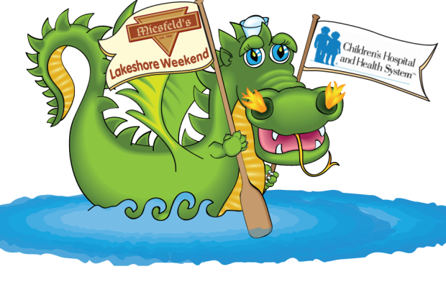

Miesfeld's Lakeshore Weekend - Dragon Boat Elite Eight

Quarter Final
 | Semi Final | Championship | Champion

Race 1

 | Race 5

Race 2

 |  | Race 7

Race 3

 | Race 6

Race 4

 |  | 3rd Place Bracket

* One heat head to head competition (Its all or nothing baby…you can rest at home!)

